ENTREGA FINAL
 |  | LOGISTIC REGRESION |  |  |  |  |  |  |  | train | test
 | Train |  |  |  | Test
Atributes | precision | recall | f1-score | spport | precision | recall | f1-score | spport
danceability,tempo, valence,acousticness,energy | 86.00% | 85.00% | 86.00% | 3,146.00 | 85.00% | 84.00% | 84.00% | 774.00 | HIPHOP
 | 85.00% | 86.00% | 86.00% | 3,118.00 | 84.00% | 85.00% | 84.00% | 792.00 | ROCK
Luego de PCA (4) | 86% | 85% | 86% | 3,146.00 | 83.00% | 84.00% | 84.00% | 774.00 | HIPHOP
 | 85% | 86% | 86% | 0.00 | 84.00% | 82.00% | 83.00% | 774.00 | ROCK
danceability,tempo | 85% | 84% | 84% | 3,146.00 | 83.00% | 84.00% | 74.00% | 792.00 | HIPHOP
 | 84% | 84% | 84% | 3,118.00 | 84.00% | 82.00% | 83.00% | 774.00 | ROCK
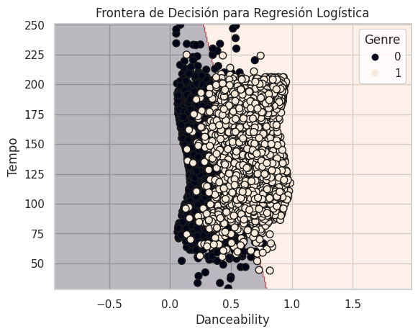
"danceability","tempo", "valence","acousticness",
{'Rock': 0, 'HIPHOP': 1}

 |  | RANDOM FOREST
 | Train |  |  |  | Test
Atributes | precision | recall | f1-score | spport | precision | recall | f1-score | spport
danceability,tempo, valence,acousticness,energy | 100.00% | 100.00% | 100.00% | 3,118.00 | 93.00% | 14.00% | 24.00% | 774.00 | ROCK
 | 100.00% | 100.00% | 100.00% | 3,146.00 | 54.00% | 99.00% | 70.00% | 792.00 | HIPHOP
Luego de PCA (4) | 100.00% | 100.00% | 100.00% | 3,118.00 | 85.00% | 85.00% | 85.00% | 774.00 | ROCK
 | 100.00% | 100.00% | 100.00% | 3,146.00 | 85.00% | 85.00% | 85.00% | 792.00 | HIPHOP

 |  | KNN |  |  |  |  |  |  |  | train | test
 | Train |  |  |  | Test
Atributes | precision | recall | f1-score | spport | precision | recall | f1-score | spport
danceability,tempo, valence,acousticness,energy | 88.00% | 87.00% | 88.00% | 3,118.00 | 80.00% | 79.00% | 79.00% | 774.00 | ROCK
 | 88.00% | 88.00% | 88.00% | 3,146.00 | 79.00% | 81.00% | 80.00% | 792.00 | HIPHOP
Luego de PCA (4) | 84.00% | 94.00% | 89.00% | 3,118.00 | 79.00% | 87.00% | 83.00% | 774.00 | ROCK
 | 94.00% | 83.00% | 88.00% | 3,146.00 | 86.00% | 78.00% | 82.00% | 792.00 | HIPHOP
danceability,tempo | 87% | 88% | 87% | 3,118.00 | 80.00% | 80.00% | 80.00% | 774.00 | ROCK
 | 88% | 87% | 87% | 3,146.00 | 81.00% | 80.00% | 81.00% | 792.00 | HIPHOP

"danceability","tempo", "valence","acousticness",
{'Rock': 0, 'HIPHOP': 1}

Random Forest
Sin Modificar Hiperparametros
 | Train |  |  | Test
Atributes | precision | recall | f1-score | precision | recall | f1-score
all | 100.00% | 100.00% | 100.00% | 50.57% | 50.57% | 50.57%

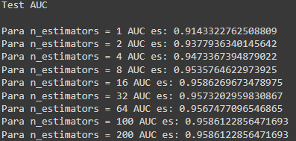
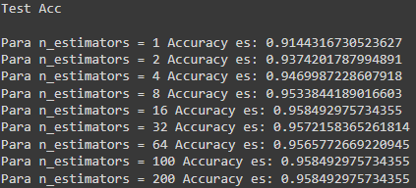
Hiperparametro n_estimators

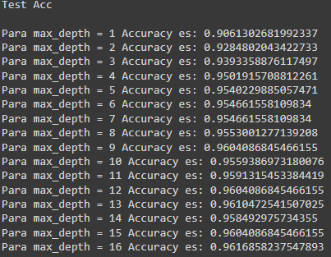
Hiperparametro max_depth
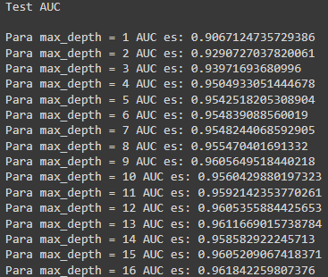

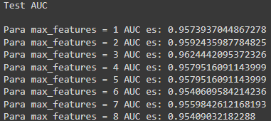
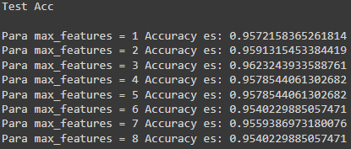
Hiperparametro max_features

